Dividend and risk-free rates
Amazon paid no dividends between 2016 and 2017.

Risk-free rate
Date of this Zero Curve | Days to Maturity | Discount | Continuously Compounded Zero-Coupon Interest Rate
03/16/2016 | 0 | 0.99869295366 | 0.0013087569444
04/20/2016 | 35 | 0.99804841923 | 0.0019553968844
05/18/2016 | 63 | 0.99754785612 | 0.0024581716723
06/15/2016 | 91 | 0.99703145488 | 0.0029773836186
07/20/2016 | 126 | 0.99627591267 | 0.0037380079967
08/17/2016 | 154 | 0.99567671233 | 0.004342059642
09/21/2016 | 189 | 0.99487042898 | 0.0051560191905
12/21/2016 | 280 | 0.99249673354 | 0.0075599910921
03/15/2017 | 364 | 0.98996948339 | 0.010132147277
06/21/2017 | 462 | 0.9866757129 | 0.01350422122
09/20/2017 | 553 | 0.98328757499 | 0.01699647736
12/20/2017 | 644 | 0.97961136688 | 0.020812981357
03/21/2018 | 735 | 0.97566382004 | 0.024943202217
06/20/2018 | 826 | 0.97149833842 | 0.029337838728 | Notes |  | Days to Maturity | Compound Interest Rate
09/19/2018 | 917 | 0.96713105702 | 0.033986027792 | Issue Date | 2016-06-22 | 98 | 0.0029773836186
12/19/2018 | 1008 | 0.96259009068 | 0.038863800577 | Maturity Date | 2017-06-20 | 426 | 0.01350422122
12/16/2019 | 1370 | 0.94375653213 | 0.059595315056 | days = days to maturity | 363
12/16/2020 | 1736 | 0.92274886627 | 0.083718481323 | rate = continuously compounded interest rate | 1.34%
12/16/2021 | 2101 | 0.90024721064 | 0.1108059966 | Div=continuously compounded dividend yield | 0 | 0%
12/16/2022 | 2466 | 0.87701861763 | 0.14022664958 | Explanation
Because this product has 363 days to maturity. And we could not find the exact continuously compounded rate that matches this mature time period. We then try to use two forward interest rate to calculate the risk free rate between two future date. {Formula:(1+r1)^t1*(1+r2)^(t2-t1)=(1+r3)^t2}(Based on the data of 98 and 426 days from the spot date: 03/16/2016) And Amazon did not pay any dividend during that period. So, the dividend yield is 0.
12/18/2023 | 2833 | 0.85348777503 | 0.17166294498
12/16/2025 | 3562 | 0.80652744368 | 0.23988341356
12/16/2026 | 3927 | 0.78452377759 | 0.27465862547
12/16/2027 | 4292 | 0.76027664573 | 0.31531069067
12/16/2030 | 5388 | 0.69569475707 | 0.43741201129
12/17/2035 | 7215 | 0.60028866938 | 0.66586519287
12/17/2040 | 9042 | 0.52032940727 | 0.92185947214
12/18/2045 | 10869 | 0.45192630605 | 1.2127501467
12/16/2055 | 14519 | 0.34548788324 | 1.894457515
12/16/2065 | 18172 | 0.27138988044 | 2.6847357698

Volatility
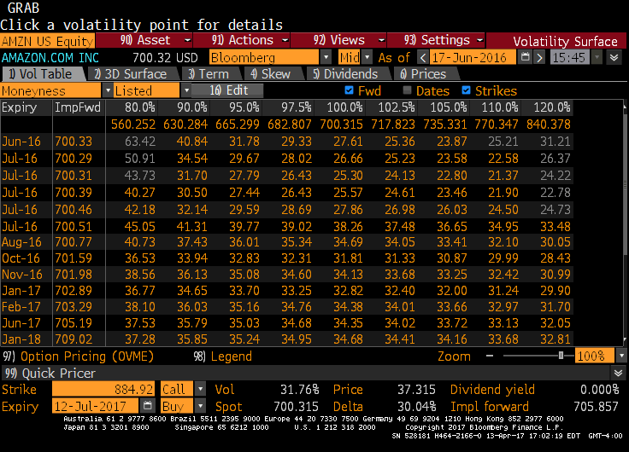

We look up the volatility of AMZN in Bloomberg and just find the volatility which begins at 2016/6/17 and expire at 2017/6/17,whchi the maturity date of this product is 2017/6/23. But the impact of the extra days on the volatility is quit small as the precent change of volitility over 6 month period is just 0.09536%. Let along the percent change of volatility over 7 days. And the impact of financial crisis since 2008 is getting small(The daily volitility will not change that much). So, we just use the the volatility from 2016/6/17 to 2017/6/17 for this product. In sensitive analysis, we choose the volatility range from 80% moneyness to 120% moneyness.

FinalOutput
 | Error
60 | 9.4600885131
120 | 9.3863436098
180 | 9.3707430399
240 | 9.3717684682
300 | 9.3689950641
360 | 9.3664844507
420 | 9.3668620827
480 | 9.366966248
540 | 9.366651324
600 | 9.3671265926
imax | jmax | V(on pricing date0 | Lambda | Given Value | Error
55000 | 60 | 955.33991149 | 1.4156485795E-05 | 964.8 | 9.4600885131
55000 | 120 | 955.41365639 | 2.831297159E-05 | 964.8 | 9.3863436098
55000 | 180 | 955.42925696 | 4.2469457381E-05 | 964.8 | 9.3707430399
55000 | 240 | 955.42823153 | 5.6625943181E-05 | 964.8 | 9.3717684682
55000 | 300 | 955.43100494 | 7.0782428968E-05 | 964.8 | 9.3689950641
55000 | 360 | 955.43351555 | 8.4938914762E-05 | 964.8 | 9.3664844507
55000 | 420 | 955.43313792 | 9.9095400555E-05 | 964.8 | 9.3668620827
55000 | 480 | 955.43303375 | 0.00011325188636 | 964.8 | 9.366966248
55000 | 540 | 955.43334868 | 0.00012740837214 | 964.8 | 9.366651324
55000 | 600 | 955.43287341 | 0.00014156485794 | 964.8 | 9.3671265926

Time | 138.11

NonlinearityError
imax | jmax | V(on pricing date0 | Lambda | Given Value | Error
30000 | 30 | 985.94653431 | 0.50000707824 | 964.8 | -21.146534311
30000 | 60 | 970.40031097 | 1.4156485795E-05 | 964.8 | -5.6003109747
30000 | 90 | 975.8577811 | 0.50002123473 | 964.8 | -11.0577811
30000 | 120 | 970.52299142 | 2.831297159E-05 | 964.8 | -5.7229914183
30000 | 150 | 973.69818333 | 0.50003539121 | 964.8 | -8.8981833327
30000 | 180 | 970.51351072 | 4.2469457381E-05 | 964.8 | -5.7135107156
30000 | 210 | 972.79351469 | 0.5000495477 | 964.8 | -7.9935146931
30000 | 240 | 970.52215824 | 5.6625943181E-05 | 964.8 | -5.7221582356
30000 | 270 | 972.28211349 | 0.50006370419 | 964.8 | -7.4821134897
30000 | 300 | 970.52144193 | 7.0782428968E-05 | 964.8 | -5.7214419274
30000 | 330 | 971.96221308 | 0.50007786067 | 964.8 | -7.1622130751
30000 | 360 | 970.52270896 | 8.4938914762E-05 | 964.8 | -5.7227089597
30000 | 390 | 971.73976924 | 0.50009201716 | 964.8 | -6.9397692384
30000 | 420 | 970.52359649 | 9.9095400555E-05 | 964.8 | -5.7235964868
30000 | 450 | 971.57677845 | 0.50010617364 | 964.8 | -6.7767784545
30000 | 480 | 970.52321361 | 0.00011325188636 | 964.8 | -5.7232136097

SensitivityAnalysis
sigma | V(on pricing date0 | Lambda | Given Value | Error | r | V(on pricing date0 | Lambda | Given Value | Error | imax | jmax | V(on pricing date0 | Lambda | Given Value | Error
40% | 943.17713355 | 7.0782428968E-05 | 964.8 | -21.622866446 | 2.0% | 952.92343899 | 7.0782428968E-05 | 964.8 | -11.876561005 | 55000 | 60 | 955.33991149 | 1.4156485795E-05 | 964.8 | 9.4600885131
38% | 953.08896723 | 7.0782428968E-05 | 964.8 | -11.711032769 | 1.8% | 953.68756351 | 7.0782428968E-05 | 964.8 | -11.112436494 | 55000 | 120 | 955.41365639 | 2.831297159E-05 | 964.8 | 9.3863436098
36% | 963.08314557 | 7.0782428968E-05 | 964.8 | -1.7168544265 | 1.6% | 954.45110024 | 7.0782428968E-05 | 964.8 | -10.348899756 | 55000 | 180 | 955.42925696 | 4.2469457381E-05 | 964.8 | 9.3707430399
34% | 973.09634665 | 7.0782428968E-05 | 964.8 | 8.2963466485 | 1.4% | 955.20629088 | 7.0782428968E-05 | 964.8 | -9.5937091191 | 55000 | 240 | 955.42823153 | 5.6625943181E-05 | 964.8 | 9.3717684682
32% | 983.03395827 | 7.0782428968E-05 | 964.8 | 18.233958272 | 1.2% | 955.95894498 | 7.0782428968E-05 | 964.8 | -8.8410550171 | 55000 | 300 | 955.43100494 | 7.0782428968E-05 | 964.8 | 9.3689950641
30% | 992.75840967 | 7.0782428968E-05 | 964.8 | 27.958409674 | 1.0% | 956.71108477 | 7.0782428968E-05 | 964.8 | -8.0889152262 | 55000 | 360 | 955.43351555 | 8.4938914762E-05 | 964.8 | 9.3664844507
 |  |  |  |  | 0.8% | 957.46205447 | 7.0782428968E-05 | 964.8 | -7.3379455342 | 55000 | 420 | 955.43313792 | 9.9095400555E-05 | 964.8 | 9.3668620827
 |  |  |  |  | 0.6% | 958.20695395 | 7.0782428968E-05 | 964.8 | -6.5930460472 | 55000 | 480 | 955.43303375 | 0.00011325188636 | 964.8 | 9.366966248
 |  |  |  |  |  |  |  |  |  | 55000 | 540 | 955.43334868 | 0.00012740837214 | 964.8 | 9.366651324
 |  |  |  |  |  |  |  |  |  | 55000 | 600 | 955.43287341 | 0.00014156485794 | 964.8 | 9.3671265926
fixed r | 1.34% |  |  |  | fixed sigma | 37.53%
imax | 20000 |  |  |  | imax | 20000 |  |  |  | fixed r | 1.34%
jmax min | 300 |  |  |  | jmax min | 300 |  |  |  | fixed sigma | 37.53%
jmax max | 300 |  |  |  | jmax max | 300
Change volitility only |  |  |  |  | Change risk free rate only
Error(Change sigma)
 | Error
40% | -21.622866446
38% | -11.711032769
36% | -1.7168544265
34% | 8.2963466485
32% | 18.233958272
30% | 27.958409674
Error(Change r)
Error(Change j steps)

